Bracing demand
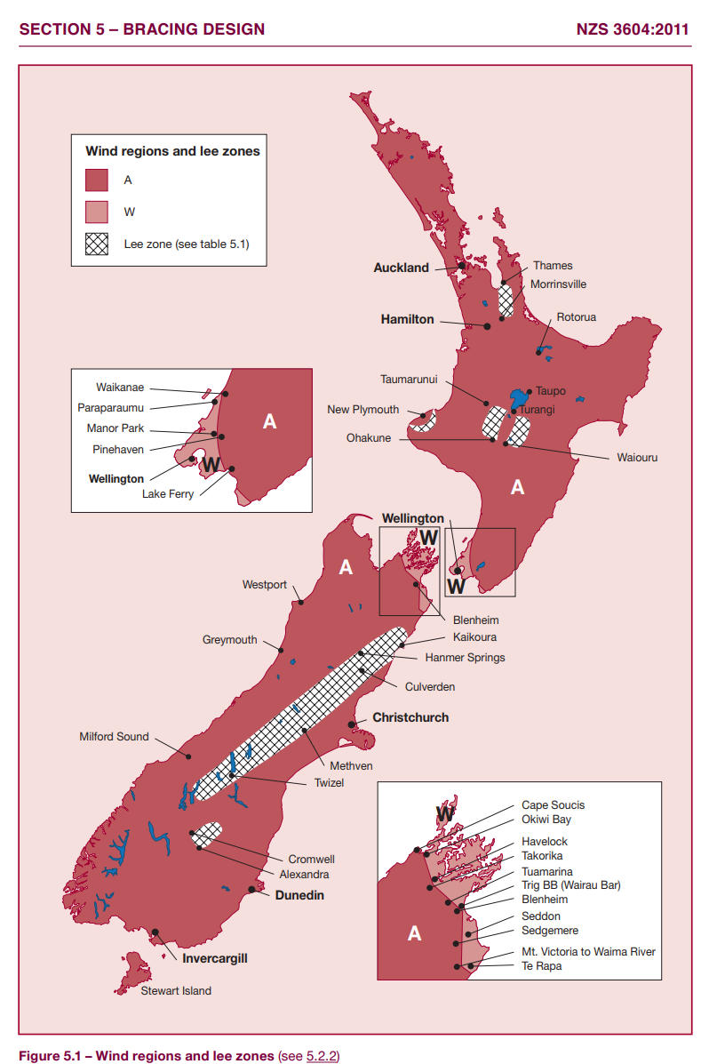
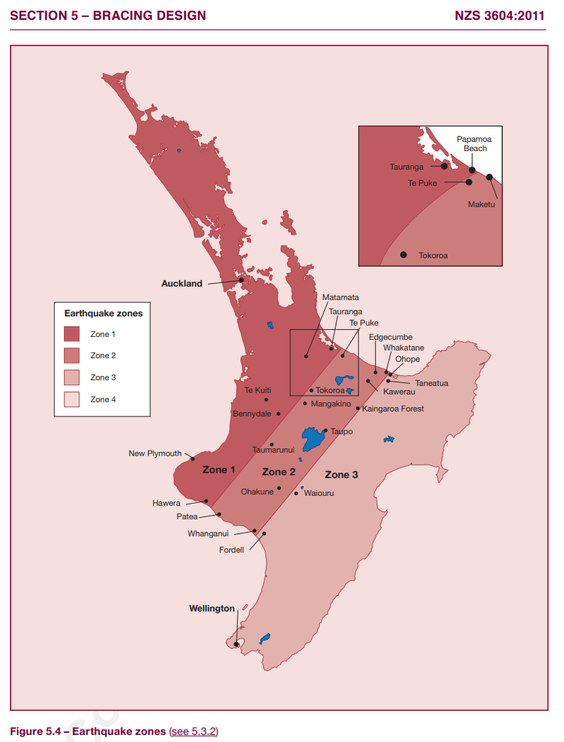
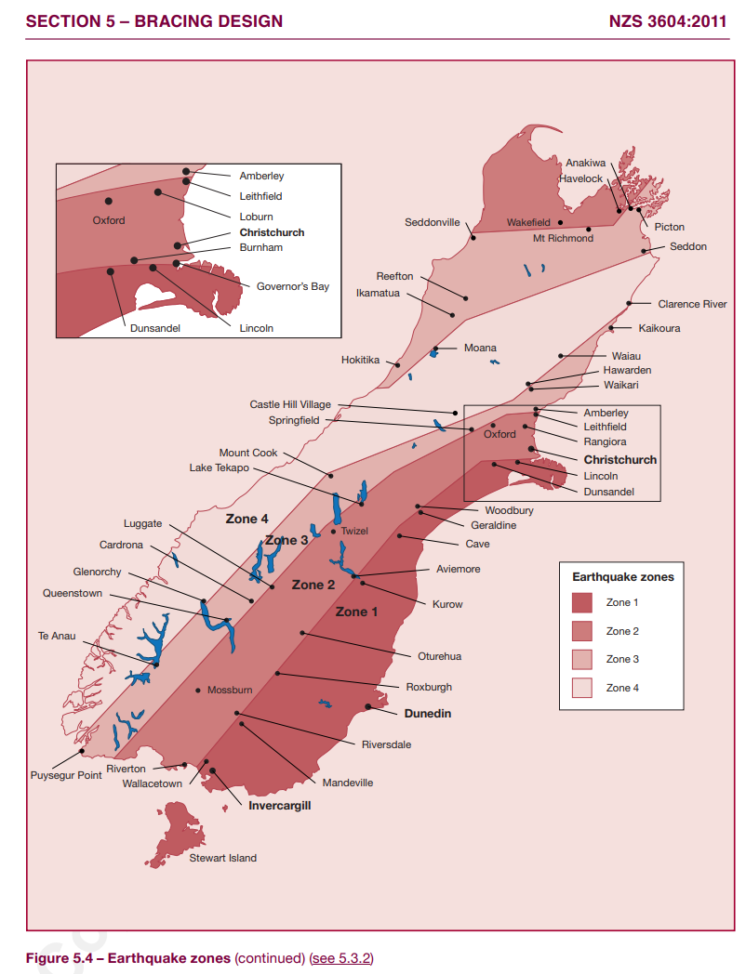
Project Name: |  |  | Project Number: |  |  |  |  | 2
 |  |  | Date: |  | 2023-03-22 |  |  | 2
Address: |  |  | Company Name:
 |  |  | Designer Name:

General Building Specification
Number of Storeys: | Double |  | Roof Weight: |  | Light
Floor Loading: | 2 | kPa | Roof Pitch(degrees): |  | 29
Foundation Type: | Slab |  | Subfloor Cladding Weight: |  | Medium
Building Length: | 20.5 | m | Single Cladding Weight: |  | Light
Building Width: | 10.0 | m | Lower Storey Cladding Weight: |  | Light
Building Height (FFL to Apex): | 5.4 | m | Upper Storey Cladding Weight: |  | Light
Roof Height Above Eaves: | 2.9 | m | Lower or Single Storey Floor area: |  | 166.0 | m2
Ground to Lower or Single Floor: | 0.2 | m | Upper Storey Floor area: |  | 120.0 | m2
Wall Height Lower or Single Storey: | 2.4 | m | Room in Roof Space: |  | Yes
Wall Height Upper Storey: | 2.4 | m
Warning: Check Building Height

Wind and EQ Zones
Wind Zone: | High |  |  | Earthquake Zone and Subsoil Zone: |  |  | 3
Wind Factor: | 1 |  |  | Subsoil Classification: |  |  | Class B- Rock
Wind Region: | A |  |  | Annual Prob. of Exceedance |  |  | 1 in 500(Default)
Ground Roughness: | Urban |  |  | Earthquake Factor: |  |  | 0.6
Site Exposure: | Sheltered
Lee Zone: | No
Topographic Class: | T2
Determine Wind Zone | Medium

Wind Bracing Demand (BU's)
Wind Bracing Demand---Subfloor | Along |  | Across
 | 900 |  | 1948

Wind Bracing Demand---Single floor | Along |  | Across
 | 650 |  | 1538

Wind Bracing Demand---Upper Storey | Along |  | Across
 | 550 |  | 1230

Wind Bracing Demand---Lower Storey | Along |  | Across |  | Out of Scope, check roof Height above Eaves.
 | #N/A |  | #N/A
EQ Bracing Demand (BU's)
EQ Bracing Demand---Subfloor | Along & Across |  | Comments:
 | 2789

EQ Bracing Demand---Single Storey | Along & Across
 | 996

EQ Bracing Demand---Lower Storey | Along & Across
 | 1992

EQ Bracing Demand---Upper Storey | Along & Across
 | 936

